Regular Menu
 | Fill in the form and send it to hello@lepetitcroissant.hk |  |  |  | Company
 |  |  |  |  | Name
 |  |  |  |  | Delivery Time
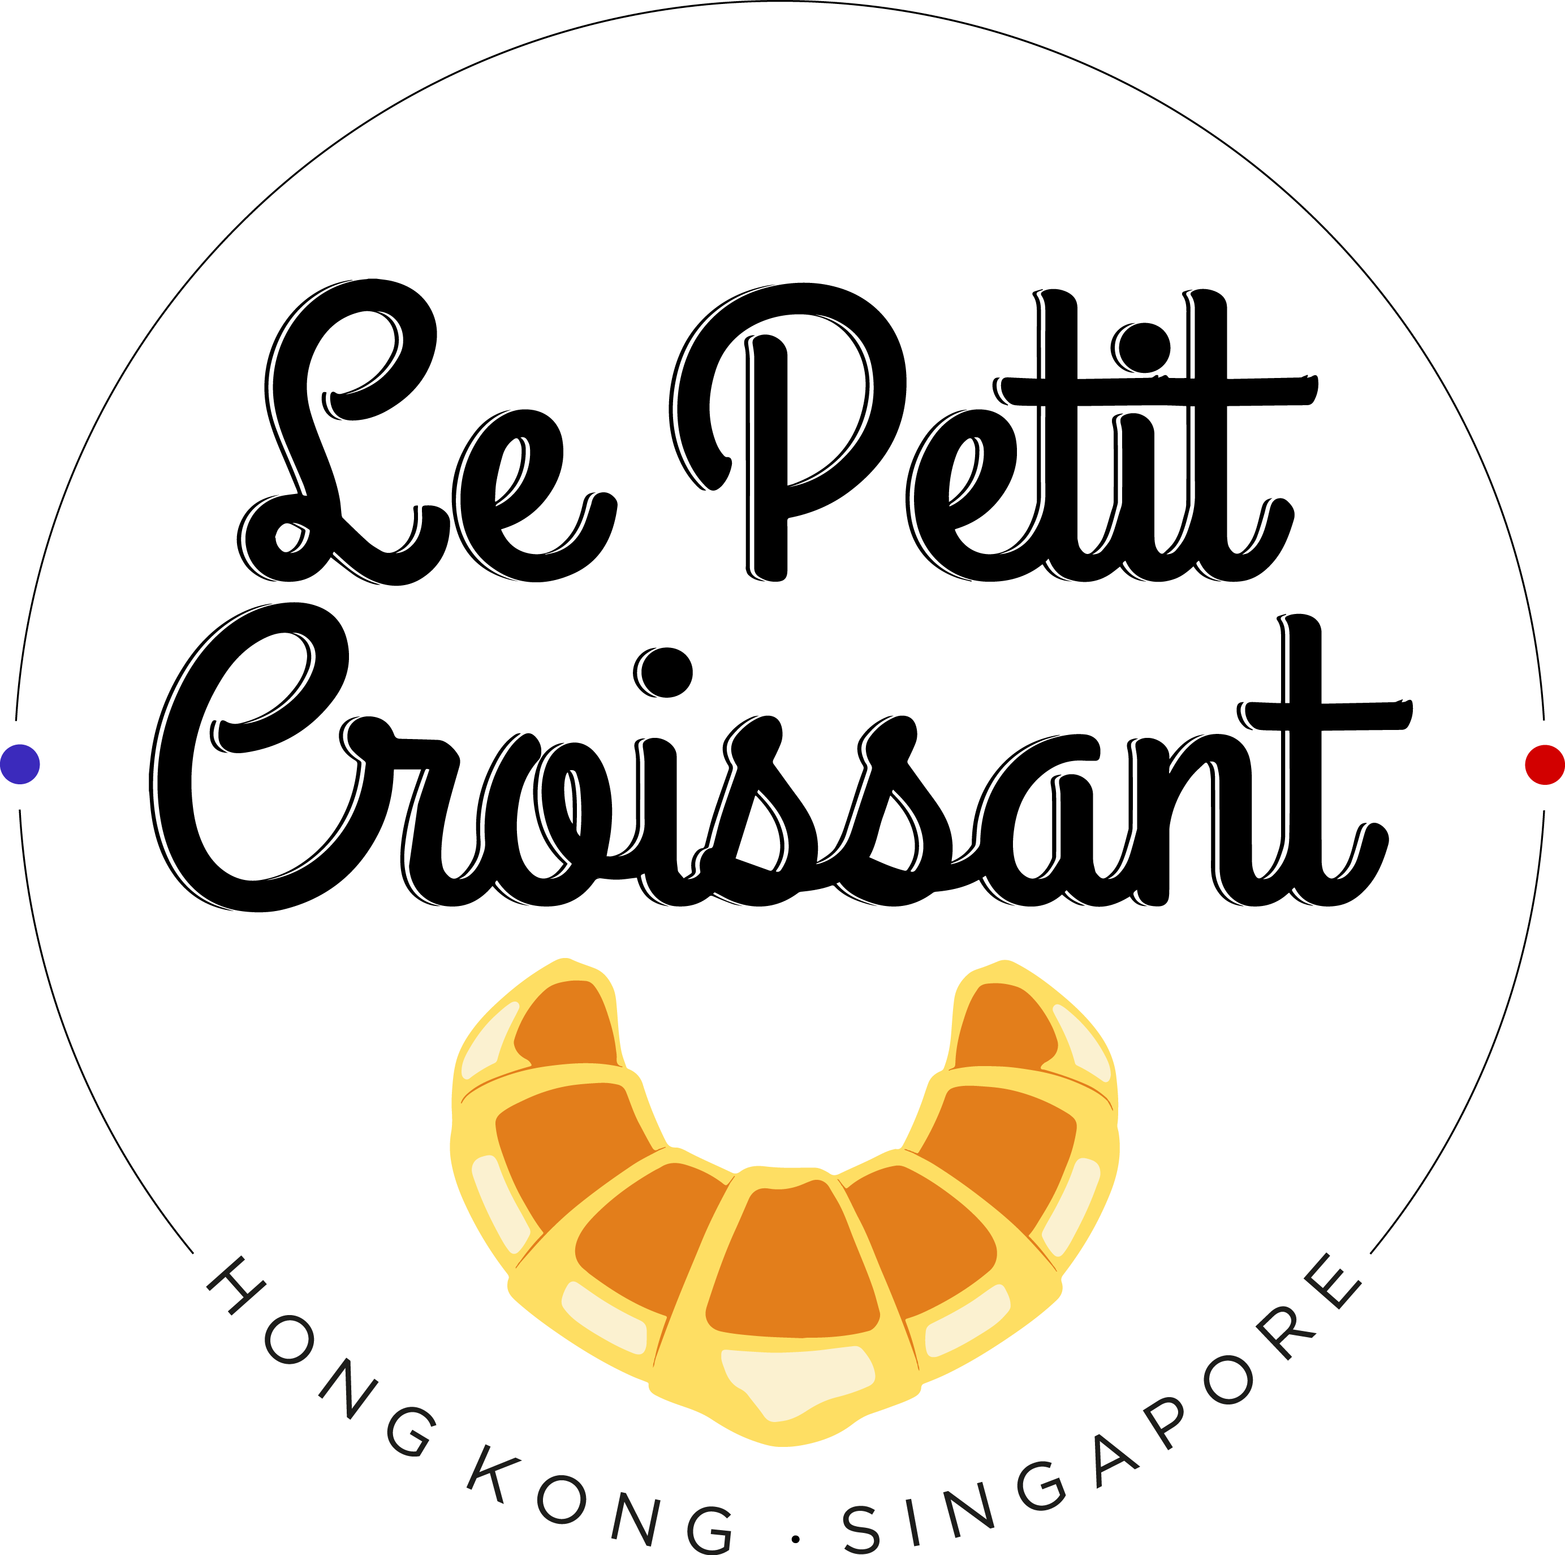
 |  |  |  |  | Phone Number
 |  |  |  |  | Delivery Adress

 |  |  |  |  | Preferred Method of Payment: Bank Transfer or Credit Card (4% additional charge)

 |  |  |  |  | Sub Total |  | $0
 |  |  |  |  | Delivery fee (may vary) | 50 | $0
 |  |  |  |  | Total |  | $0.00

 | Breakfast Packages - Best Value!
 | Item | Price | Quantity | Total
NEW | Package A for 15-20 people (40 mini items) 10 mini croissant, 10 mini pain au chocolat, 10 mini cranberry twist, 10 mini chocolate beignets | 500 |  | $0
Most Popular | Package B for 20-25 (50 mini items) 25 mini croissant + 25 mini pain au chocolat | 550 |  | $0
Most Popular | Package C for 20-25 (45 mini items) 15 mini croissant + 15 mini pain au chocolat + 15 mini raisin swirls | 530 |  | $0
Updated | Healthy Package D for 20 10 mini pain au chocolat, 10 mini croissant, 5 mini blueberry muffins, 5 mini carrot muffins, 5 mini walnut muffins, 10 small fruit cups, 10 granola yogurts | 1200 |  | $0
 | Mixed Package E 20 mini croissant, 20 mini pain au chocolat, 1 fresh fruit tray | 800 |  | $0
 | 40 mini Nutella croissants | 650 |  | $0
NEW | Cute Package (20 mini chocolate muffins + 15 mini croissant) | 500 |  | $0
NEW | Savory Pastry Package (20 mini onion & cheese twists + 20 mini ham & cheese lattices) | 600 |  | $0
 | Package for 40-50 (100 mini items) 30 mini croissant + 30 mini pain au chocolat + 20 mini raisin swirls + 20 cranberry twists | 1200 |  | $0
NEW | Package for 50 people 15 mini croissant + 15 mini pain au chocolat + 15 mini raisin swirl + 12 mini chocolate muffins + 5 mini blueberry muffins + 5 mini walnut muffins + 5 mini carrot muffin + 20 mini ham & cheese lattice + 15 mini onion & cheese twist + 15 mini tuna mayo croissant | 2000 |  | $0
NEW | 50 Mini Croissant | 700 |  | $0
NEW | 50 Mini Pain au Chocolat | 700 |  | $0
Updated | Package for 60-70 (150 mini items) 50 mini croissants + 50 mini pain au chocolat + 25 mini raisin swirls + 25 mini chocolate beignet | 2100 |  | $0
Updated | Mixed Package for 90-100 30 mini croissant + 30 mini pain au chocolat + 30 mini raisin swirls + 30 mini onion & cheese twist + 2 mini muffin packages (27 items) + 25 mini chocolate beignet + 25 fruit cups + 25 granola yogurts | 4100 |  | $0
 | Sweet Mini Muffin Small Package (27 mini muffins) 12 chocolate, 5 blueberry, 5 carrot, 5 walnut | 400 |  | $0
 | Chocolat Mini Muffins Package (36 items) | 500 |  | $0
NEW | Mini Chocolate Beignet Package (25 pieces) | 250 |  | $0
 | Savory Mini Muffins Package (36 items) 18 mini tomato basil muffins, 18 mini goat cheese muffins | 540 |  | $0
 | Package for 10-12 6 fruit cups + 6 granola yogurts + 5 mini croissant + 5 mini pain au chocolat + 5 mini raisin swirls + 5 mini blueberry muffins + 10 mini cheese croissant | 900 |  | $0
 | Total |  | 0 | $0.00

 | Pastries
 | Large Pastries | Price | Quantity | Total
 | Croissant | 20 |  | $0
 | Almond Croissant (minimum 2) | 35 |  | $0
 | Pain au Chocolat | 20 |  | $0
 | Cranberry Twist | 24 |  | $0
 | Ham & Cheese Lattice | 28 |  | $0
 | Onion & Cheese Twist | 28 |  | $0
 | Ham & Cheese Croissant | 38 |  | $0
 | Salmon & Cream Cheese Croissant | 40 |  | $0
 | Egg Salad Croissant | 38 |  | $0
 | Tuna Mayo Croissant | 38 |  | $0

 | Small Pastries
 | Mini Croissant | 15 |  | $0
 | Mini Almond Croissant (minimum 5) | 20 |  | $0
 | Mini Pain au Chocolat | 15 |  | $0
 | Mini Cranberry Twist | 15 |  | $0
 | Mini Raisin Swirl | 15 |  | $0
 | Mini Ham & Cheese Croissant | 23 |  | $0
 | Mini Cheese Croissant | 23 |  | $0
 | Mini Eggs Salad Croissant | 23 |  | $0
 | Mini Egg Truffle Croissant (minimum 5) | 27 |  | $0
 | Mini Tuna Mayo Croissant | 24 |  | $0
 | Mini Salmon Cream Cheese Croissant | 28 |  | $0
 | Mini Ham & Cheese Lattice | 15 |  | $0
 | Mini Onion & Cheese Twist | 15 |  | $0
 | Mini Nutella Croissant | 17 |  | $0
 | Mini Nutella & Raspberries Croissant | 18 |  | $0

 | Muffins & More
NEW | Mini Chocolate Beignet | 10 |  | $0
 | Mini Blueberry Muffin | 16 |  | $0
 | Mini Chocolate Muffin | 16 |  | $0
 | Mini Walnut Muffin | 16 |  | $0
 | Mini Carrot & Raisin Muffin | 16 |  | $0
 | Mini Tomato Basil Muffin | 17 |  | $0
 | Mini Goat Cheese Muffin | 17 |  | $0
NEW | Double Chocolate Cookie | 15 |  | $0
 | Total |  | 0 | $0.00

 | Drinks
 | Item | Price | Quantity | Total
 | Coffee Pot 2L | 220 |  | $0
 | Tea Pot 2L | 170 |  | $0
 | Latte Pot 2L | 240 |  | $0
 | Add 20 Eco-Cups | 20 |  | $0
 | Fresh Orange Juice 100% juice 300ml | 36 |  | $0
 | Fresh Watermelon Juice 100% juice 300ml | 36 |  | $0
 | Fresh Grapefruit Juice 100% juice 300ml | 36 |  | $0
 | Fresh Carrot, Orange Juice 100% juice 300ml | 36 |  | $0
NEW | Fresh Cucumber, Apple & Mint 300ml | 40 |  | $0
 | Fresh Orange Juice 100% juice 1L | 100 |  | $0
 | Fresh Watermelon Juice 100% juice 1L | 100 |  | $0
 | Fresh Grapefruit Juice 100% juice 1L | 100 |  | $0
 | Fresh Carrot, Orange Juice 100% juice 1L | 100 |  | $0
NEW | Fresh Cucumber, Apple & Mint 1L | 110 |  | $0
 | Total |  | 0 | $0

 | Finger Food (3 days pre-order)
 | Item | Price | Quantity | Total
 | Savory French Canapés (54) | 700 |  | $0
 | Savory Vegetarian Canapés (54) | 700 |  | $0
 | Sweet Petits Fours (48) | 600 |  | $0
 | Mini Financier (48) | 600 |  | $0
 | Croque Monsieur Bites (40) | 280 |  | $0
 | Total |  | 0 | $0

 | Brunch Packages
NEW | The Perfect Brunch for 2 2 mini croissant, 2 mini pain au chocolat, 2 mini chocolate beignet 2 small fruit cups, 1 granola yogurts, 2 mini muffins, 1 baguette, 1 goat cheese, 1 tuna spread | 320 |  | $0
NEW | The Ultimate Brunch for 4-5 8 mini pastries, 4 mini chocolate beignet, 4 mini muffins, 2 baguettes, 4 small fruit cups, 2 granola yogurts, 150g French ham, 100g salmon, 150g tuna spread | 620 |  | $0
 | Total |  | 0 | $0.00

 | Lunch Packages
 | Item | Price | Quantity | Total
 | Regular Lunch Package A for 15 people 30 medium sandwiches (up to 5 different flavors) + 15 small fruit cups | 1500 |  | $0
 | Regular Lunch Package B for 25 people 25 large sandwiches (up to 5 different flavors) + 25 small fruit cups + 25 mini chocolate beignets | 2700 |  | $0
 | Croque Monsieur Bites to share (40) | 280 |  | $0
 | Total |  |  | $0

 | Bento Boxes
 | Item | Price | Quantity | Total
 | Bento Box Ham: Small Ham & Cheese Sandwich + Pesto Pasta Salad + Fresh Fruit Salad + Mixed Salad (minimum 3) | 125 |  | 0
 | Bento Box Salmon: Small Smoked Salmon Sandwich + Pesto Pasta Salad + Fresh Fruit Salad + Mixed Salad (minimum 3) | 125 |  | 0
 | Bento Box Tuna: Small Tuna Mayo Sandwich + Pesto Pasta Salad + Fresh Fruit Salad + Mixed Salad (minimum 3) | 125 |  | 0
 | Total |  | 0 | $0

 | Generous Salad Box
 | Item | Price | Quantity | Total
 | Salad Box Tuna: Tuna flakes, Pasta, Egg, Tomato, Cucumber & light vinaigrette | 95 |  | 0
 | Salad Box Vegetarian: Goat Cheese, Pasta, Tomato, Cucumber & Lettuce & light vinaigrette | 95 |  | 0
 | Total |  | 0 | $0

 | Healthy
 | Item | Price | Quantity | Total
 | Fresh Fruit Cup Eco Cup | 32 |  | $0
 | Fresh Rasberries Granola Yogurt Eco Cup | 35 |  | $0
 | Fresh Mango Granola Yogurt Eco Cup | 35 |  | $0
 | Granola Yogurt Eco Cup | 32 |  | $0
 | Honey Greek Yogurt Eco Cup | 32 |  | $0
 | Fresh Fruit Tray for 8-10 people | 260 |  | $0
 | Baguette | 28 |  | $0
 | Ciabatta | 25 |  | $0
 | French Ham (150g) | 65 |  | $0
 | Smoked Salmon (100g) | 70 |  | $0
 | Hummus (200g) | 50 |  | $0
 | Cream Cheese (200g) | 45 |  | $0
 | Tuna Spread (200g) | 55 |  | $0
 | Guérande Salt Butter (250g) | 55 |  | $0
 | Goat Cheese & Honey (100g) | 50 |  | $0
 | Organic Boiled Eggs (2) | 30 |  | $0
 | Total |  | 0 | $0

 | Sandwiches (Served on Ciabatta)
 | Item | Price | Quantity | Total
 | The French - Ham, Butter & Emmental
 | 3 SMALL | 80 |  | $0
New Price | 2 MEDIUM | 75 |  | $0
New Price | 1 LARGE | 75 |  | $0

 | The Tuna - Tuna Mayo Lettuce
 | 3 SMALL | 80 |  | $0
New Price | 2 MEDIUM | 75 |  | $0
New Price | 1 LARGE | 75 |  | $0

 | The Salmon - Salmon & Cream Cheese, Cucumber
 | 3 SMALL | 90 |  | $0
New Price | 2 MEDIUM | 90 |  | $0
New Price | 1 LARGE | 90 |  | $0

 | The Vegetarian Hummus, Tomato, Lettuce
 | 3 SMALL | 80 |  | $0
New Price | 2 MEDIUM | 75 |  | $0
New Price | 1 LARGE | 75 |  | $0

 | The Goat Cheese Honey Cucumber Lettuce
 | 3 SMALL | 80 |  | $0
New Price | 2 MEDIUM | 75 |  | $0
New Price | 1 LARGE | 75 |  | $0

 | The Egg Mayo Emmental Lettuce
 | 3 SMALL | 80 |  | $0
New Price | 2 MEDIUM | 75 |  | $0
New Price | 1 LARGE | 75 |  | $0

 | Total |  | 0 | $0.00

 | Cakes (3 days pre-order)
 | Item | Price | Quantity | Total
 | Cheese Cake | 290 |  | $0
 | Lemon Meringue Pie | 290 |  | $0
 | Apple Tart | 290 |  | $0
 | Raspberry Tart | 290 |  | $0
 | Total |  | 0 | $0

