Menu
 | Fill in the form and send it to hello@lepetitcroissant.hk |  |  |  | Company
 |  |  |  |  | Name
 |  |  |  |  | Delivery Time
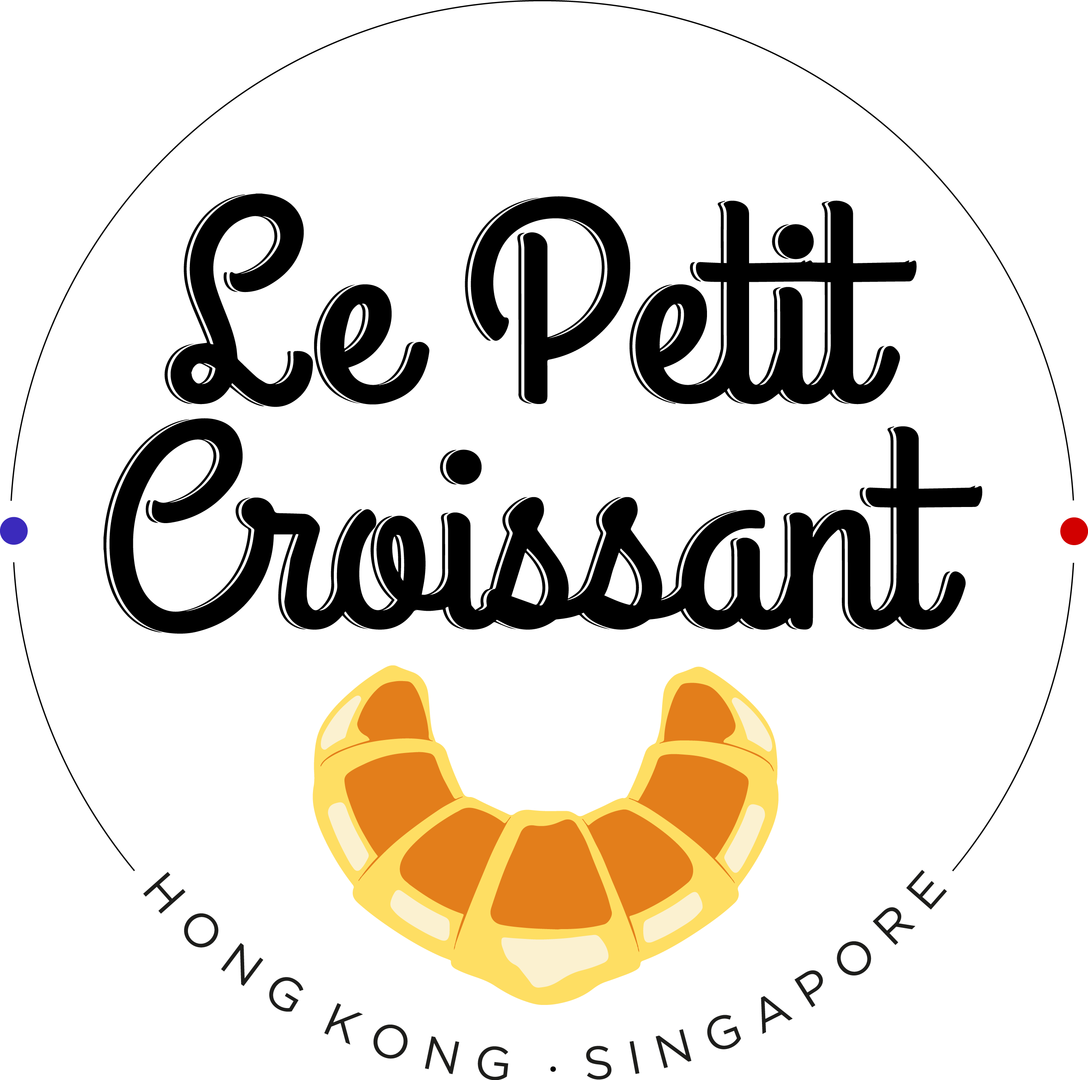
 |  |  |  |  | Phone Number
 |  |  |  |  | Delivery Adress

 |  |  |  |  | Preferred Method of Payment: Bank Transfer or Credit Card (4% additional charge)

 |  |  |  |  | Sub Total |  |  | #REF!
 |  |  |  |  | Delivery fee (may vary) | 50 |  | $0
 |  |  |  |  | Total |  |  | #REF!

 | Breakfast Packages - Best Value! |  |  |  | Lunch Packages
 | Item | Price | Quantity | Total | Item | Price | Quantity | Total
 | Package A for 15-20 people (40 mini items) 10 mini pain au chocolat, 10 mini croissant, 10 mini raisin swirls, 10 mini chocolate twists | 500 |  | $0 | Regular Lunch Package A for 15 people 30 medium sandwiches (up to 5 different flavors) + 15 mixed salads (mixed lettuce, cherry tomato & cucumber) | 1300 |  | $0
 | Package B for 20-25 (50 mini items) 25 mini croissant + 25 mini pain au chocolat | 550 |  | $0 | Healthy Lunch Package B for 15 people 30 medium sandwiches (up to 5 different flavors) + 15 mixed salads (mixed lettuce, cherry tomato & cucumber) + 15 yogurt or fruit cups + 15 mini muffins (up to 4 flavors) | 2070 |  | $0
Most Popular | Package C for 20-25 (48 mini items) 16 mini croissant + 16 mini pain au chocolat + 16 mini raisin swirls | 530 |  | $0 | Lunch Set for 1 1 large sandwich + 1 fruit cup + 1 mini muffin | 110 |  | $0
Most Popular | Healthy Package D for 20-25 10 mini pain au chocolat, 10 mini croissant, 10 mini banana walnut muffins, 10 mini blueberry muffins, 10 fruit cups, 10 granola yogurts (in eco-cups) | 1200 |  | $0 | Junk Boat Lunch for 30-35 (Baguettes, French pork sausages (60 pieces), pomme dauphine (60 pieces), 2 Fresh Fruit Trays, 2 Fresh Salad Trays, 40 small sandwiches, 40 mini muffins) | 4000 |  | $0
 | Mixed Package E 22 mini croissant, 22 mini pain au chocolat, 1 lovely fruit tray | 800 |  | $0 | Bun Package (18 items) 4 ham & cheese sesame buns, 4 salmon cream cheese ciabattas, 5 tuna mayo charcoal buns, 5 Goat cheese Charcoal buns | 490 |  | $0
 | Savory Package F for 20-25 people (40 mini items) 20 mini cheese croissant, 20 mini tuna mayo croissant | 800 |  | $0 | Bun Package (36 items) 8 ham & cheese sesame buns, 8 salmon cream cheese ciabattas, 10 tuna mayo charcoal buns, 10 Goat cheese Charcoal buns | 950 |  | $0
 | Savory Package G (20 mini onion & cheese twists + 20 mini ham & cheese lattices) | 600 |  | $0 | Sandwich Box for 7 (3 Large French Sandwiches, 2 Large Salmon Cream Cheese , 2 Large Tuna Sandwiches) | 550 |  | $0
 | Package H (40 mini Nutella croissants) | 650 |  | $0 | Sandwich Box for 21 (7 Large French Sandwiches, 7 Large Salmon Cream Cheese , 7 Large Tuna Sandwiches) | 1650 |  | $0
NEW | Mixed Package for 25 people 10 mini croissant + 10 mini pain au chocolat + 10 mini raisin swirls + 10 mini chocolate muffins + 10 mini apple chaussons + 10 mini tuna mayo croissants + 10 mini egg salad croissants | 1000 |  | $0 | Croque Monsieur Bites (40) | 280 |  | $0
 | Package for 40-50 (100 mini items) 30 mini croissant + 30 mini pain au chocolat + 20 mini raisin swirls + 20 chocolate twists | 1200 |  | $0 | Total |  | 0 | $0.00
NEW | Mixed Package for 60 people 20 mini croissant + 20 mini pain au chocolat + 20 mini raisin swirl + 10 mini chocolate muffins + 10 mini blueberry muffins + 10 mini apple chaussons + 20 mini tuna mayo croissants + 20 mini egg salad croissants | 2000 |  | $0
 | 100 Mini Croissant | 1100 |  | $0 | Lunch Salads & Bentos (2 days pre-order)
 | 100 Mini Pain au Chocolat | 1100 |  | $0 | Salads Boxes served with a slice of bread & a light vinaigrette
 | Package for 60-70 (150 mini items) 50 mini croissants + 50 mini pain au chocolat + 50 mini raisin swirls | 1800 |  | $0 | Item | Price | Quantity | Total
 | Pack for 80-100 32 mini croissant + 32 mini pain au chocolat + 32 mini raisin swirls + 20 mini ham & cheese croissant + 20 tuna mayo croissant + 1 mini chocolate muffin package (36 items) + 20 fruit cups + 20 granola yogurts | 4000 |  | $0 | Bento Box Salmon - Slices of Smoked Salmon, Goat Cheese and Cucumber with Mixed Lettuce, Pasta Salad, Slices of Ciabatta, Emmental Cheese, Fresh Fruit Salad | 150 |  | 0
 | Sweet Mini Muffin Small Package (27 mini muffins) 12 chocolate, 5 lemon poppy seeds, 5 blueberry and 5 banana walnut | 400 |  | $0 | Bento Box Ham - Slices of French Ham, Mixed Salad, Pasta Salad, Slices of Ciabatta, Emmental Cheese, Fresh Fruit Salad | 150 |  | 0
 | Chocolat Mini Muffins Package (36 items) | 500 |  | $0 | Total |  | 0 | $0
 | Savory Mini Muffins Package (36 items) 18 mini tomato basil muffins, 18 mini goat cheese muffins | 540 |  | $0
 | Package for 10-12 6 fruit cups + 6 granola yogurts + 5 mini croissant + 5 mini pain au chocolat + 5 mini raisin swirls + 5 mini blueberry muffins + 10 mini cheese croissant w/ Eco cups | 900 |  | $0
 | Total |  | 0 | $0.00 | Healthy
 |  |  |  |  | Item | Price | Quantity | Total
 |  |  |  |  | Fresh Fruit Cup Eco Cup | 32 |  | $0
 |  |  |  |  | Fresh Veggie Cup Eco Cup | 32 |  | $0
 | Pastries |  |  |  | Fresh Mango Granola Yogurt Eco Cup | 22 |  | $0
 | Large Pastries | Price | Quantity | Total | Granola & Red Fruits Yogurt Eco Cup | 32 |  | $0
 | Croissant | 20 |  | $0 | Honey Greek Yogurt Eco Cup | 32 |  | $0
 | Almond Croissant (minimum 2) | 35 |  | $0 | Fresh Fruit Tray for 8-10 people | 260 |  | $0
 | Pain au Chocolat | 20 |  | $0 | Fresh Veggie Tray for 8-10 people | 290 |  | $0
 | Almond Pain au Chocolat (minimum 2) | 35 |  | $0 | Baguette | 28 |  | $0
 | Chocolate Twist | 24 |  | $0 | Ciabatta | 25 |  | $0
 | Cranberry Twist | 24 |  | $0 | French Ham (150g) | 65 |  | $0
 | Ham & Cheese Lattice | 28 |  | $0 | Smoked Salmon (100g) | 70 |  | $0
 | Cheese & Onion Twist | 28 |  | $0 | Hummus (200g) | 50 |  | $0
 | Ham & Cheese Croissant | 38 |  | $0 | Cream Cheese (200g) | 45 |  | $0
 | Salmon & Cream Cheese Croissant | 38 |  | $0 | Guérande Salt Butter (250g) | 55 |  | $0
 | Egg Salad Croissant | 38 |  | $0 | Goat Cheese Honey Pomegranate Rosemary (100g) | 50 |  | $0
 | Tuna Mayo Croissant | 38 |  | $0 | Scrambled Eggs (3) | 30 |  | $0
 |  |  |  |  | Organic Boiled Eggs (2) | 30 |  | $0
 | Small Pastries |  |  |  | Total |  | 0 | $0
 | Mini Croissant | 15 |  | $0
 | Mini Almond Croissant (minimum 5) | 20 |  | $0
 | Mini Almond Pain au Chocolat (minimum 5) | 20 |  | $0
 | Mini Pain au Chocolat | 15 |  | $0 | Our Bun Collection
 | Mini Chocolate Twist | 15 |  | $0 | 2 Tuna Mayo on Charoal Buns | 50 |  | $0
 | Mini Cranberry Twist | 15 |  | $0 | 2 Goat Cheese on Charcoal Buns | 50 |  | $0
 | Mini Raisin Swirl | 15 |  | $0 | 2 Ham & Cheese Ciabatta Buns | 60 |  | $0
 | Mini Apple Chausson | 15 |  | $0 | 2 Salmon Cream Cheese Ciabatta Buns | 60 |  | $0
 | Mini Ham & Cheese Croissant | 23 |  | $0 | 2 Egg Mayo Ciabatta Buns | 60 |  | $0
 | Mini Cheese Croissant | 23 |  | $0 | 2 Hummus Ciabatta Buns | 50 |  | $0
 | Mini Eggs Salad Croissant | 23 |  | $0 | Total |  | 0 | $0
 | Mini Egg Truffle Croissant | 27 |  | $0
 | Mini Tuna Mayo Croissant | 24 |  | $0
 | Mini Salmon Cream Cheese Croissant | 25 |  | $0
 | Mini Ham & Cheese Lattice | 15 |  | $0
 | Mini Cheese & Onion Twist | 15 |  | $0
 | Mini Nutella Croissant | 17 |  | $0
 | Mini Nutella & Raspberries Croissant | 18 |  | $0
 | Mini Croque Monsieur Bites (40) | 280 |  | $0

 | Muffins & Cookies |  |  |  | Sandwiches (Served on Ciabatta)
 | Mini Blueberry Muffin | 16 |  | $0 | Item | Price | Quantity | Total
 | Mini Chocolate Muffin | 16 |  | $0 | The French - Ham, Butter & Emmental
 | Mini Banana Muffin | 16 |  | $0 | 2 SMALL | 60 |  | $0
 | Mini Lemon Poppy Seeds Muffin | 16 |  | $0 | 2 MEDIUM | 90 |  | $0
 | Mini Tomato Basil Muffin | 17 |  | $0 | 1 LARGE | 80 |  | $0
 | Mini Goat Cheese Muffin | 17 |  | $0
 | Double Chocolate Cookie | 15 |  | $0 | The Tuna - Tuna Mayo Lettuce
 | Total |  | 0 | $0.00 | 2 SMALL | 60 |  | $0
 |  |  |  |  | 2 MEDIUM | 90 |  | $0
 |  |  |  |  | 1 LARGE | 80 |  | $0
 | Drinks
 | Item | Price | Quantity | Total | The Salmon - Salmon & Cream Cheese, Cucumber
 | Coffee Pot 2L | 220 |  | $0 | 2 SMALL | 60 |  | $0
 | Tea Pot 2L | 170 |  | $0 | 2 MEDIUM | 90 |  | $0
 | Latte Pot 2L | 240 |  | $0 | 1 LARGE | 80 |  | $0
 | Add 20 Eco-Cups | 20 |  | $0
 | Fresh Orange Juice 100% juice 300ml | 36 |  | $0 | The Vegetarian Hummus, Tomato, Lettuce
 | Fresh Watermelon Juice 100% juice 300ml | 36 |  | $0 | 2 SMALL | 60 |  | $0
 | Fresh Grapefruit Juice 100% juice 300ml | 36 |  | $0 | 2 MEDIUM | 90 |  | $0
 | Fresh Carrot, Orange Juice 100% juice 300ml | 36 |  | $0 | 1 LARGE | 80 |  | $0
 | Fresh Orange Juice 100% juice 1L | 100 |  | $0
 | Fresh Watermelon Juice 100% juice 1L | 100 |  | $0 | The Goat Cheese Honey Rosemary Lettuce
 | Fresh Grapefruit Juice 100% juice 1L | 100 |  | $0 | 2 SMALL | 60 |  | $0
 | Fresh Carrot, Orange Juice 100% juice 1L | 100 |  | $0 | 2 MEDIUM | 90 |  | $0
 | Total |  | 0 | $0 | 1 LARGE | 80 |  | $0

 |  |  |  |  | The Egg Mayo Emmental Lettuce
 |  |  |  |  | 2 SMALL | 60 |  | $0
 | Finger Food (3 days pre-order) |  |  |  | 2 MEDIUM | 90 |  | $0
 | Item | Price | Quantity | Total | 1 LARGE | 80 |  | $0
 | Savory French Canapés (54) | 700 |  | $0
 | Savory Vegetarian Canapés (54) | 700 |  | $0 | Total |  | 0 | $0.00
 | Sweet Petits Fours (48) | 600 |  | $0
 | Mini Financier (48) | 600 |  | $0
 | Croque Monsieur Bites (40) | 280 |  | $0
 | Total |  | 0 | $0

 | Cakes (3 days pre-order)
 | Item | Price | Quantity | Total
 | Cheese Cake | 290 |  | $0
 | Lemon Meringue Pie | 290 |  | $0
 | Apple Tart | 290 |  | $0
 | Raspberry Tart | 290 |  | $0
 | Total |  | 0 | $0

 | Brunch Packages
 | Lover's Package 2 mini croissant, 2 mini pain au chocolat, 2 fruit cups, 1 granola yogurts, 4 mini muffins of 4 different flavors, 1 ciabatta, 3 mini butter Sel de Guérande, 1 goat cheese | 320 |  | $0
 | Breakfast Essentials for 2 2 mini croissant, 2 mini pain au chocolat, 1 ciabatta, 1 fruit cup, 1 granola yogurt, 25g butter, 150g ham | 240 |  | $0
 | Brunch Essentials for 2 4 mini pastries, 1 baguette, 1 fruit cup, 1 granola yogurt, 25g salted butter, 100g Emmental Cheese & 150g French ham | 280 |  | $0
 | Brunch Essentials for 4 For 4: 10 mini pastries, 2 baguettes, 2 fruit cups, 2 granola yogurts, 50g salted butter, 150g French ham, 100g Emmental, 100g salmon, 150g cream cheese | 580 |  | $0
 | Total |  | 0 | $0.00

